Picture Instructions
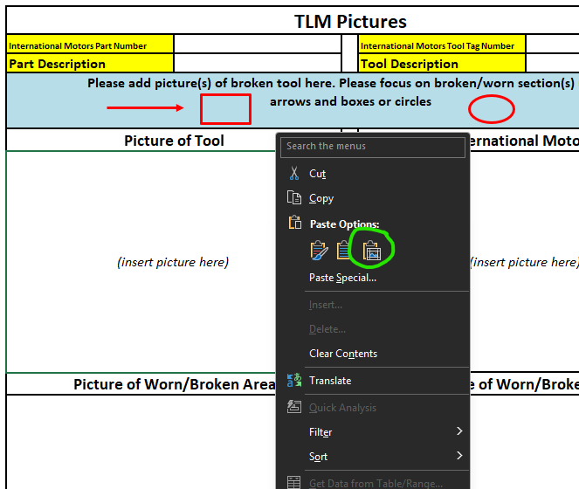
Inserting Pictures
Open the desired photo in the Windows photo app or other image viewer that allows copying the image
Copy the image with Ctrl-C
In the TLM form, select the cell to insert the picture into
Right-click the cell, and select the Paste Picture In Cell option (shown circled in green below)

