0. Instructions
Aim and purpose of the TRATON Capacity Information Sheet (TCIS):
The TCIS ensures that selected suppliers can meet TRATON's capacity requirements and identify any limiting processes that could affect flexibility during times of increased demand. This proactive approach helps Traton Procurement* to plan for future capacity needs.
This document will:
Showcase available supplier capacity for sourced part(s).
Assess supplier flexibility in meeting changing demands.
Provide an early and detailed understanding of the level of proactivity required by TRATON.
Identify opportunities to meet changing customer demands.
Serve as a basis for the contractual agreement between TRATON brands and the nominated supplier for the stated part(s).
Instructions:
Supplier Responsibilities:
Complete the form as requested by the purchaser.
All information related to the part can be found in STAR/ESL Portal or in the brand’s quote system.
Complete all required cells within the given timeframe in Sheet 1: Capacity Information Sheet.
Note that the provided volumes for related parts and their maximum annual capacities are estimates and may change during the RFQ process, project life cycle, and after project launch. These estimates are indicative and not contractual.
Optional Translation Table:
For parts sourced across different TRATON brands, use the optional translation table in Sheet 2: "PN translation table." This could be completed by the responsible Project purchaser after supplier has submitted their info as needed.
Definitions and Explanations:
Definitions of the required information in the CIS are provided in Sheet 3: Definitions.
Further explanations of specific headings in the CIS can be found in Sheet 4: Visual Work Instructions.
Example Sheet:
Sheet 5 showcases an example of a filled-in Capacity Information Sheet.
An incomplete TCIS will be considered an incomplete quote if purchaser has requested the information, potentially resulting in the loss of the business.
Description of TRATON brands: Scania, MAN, International & Volkswagen Truck and Bus
TABLE OF CONENT
Capacity information sheet (to be filled in by supplier)
Part number translation table (optional to use)
Definitions
Visual work instructions for further info regarding definitions
Example of filled in Capacity Information Sheet

4. Visual work instructions
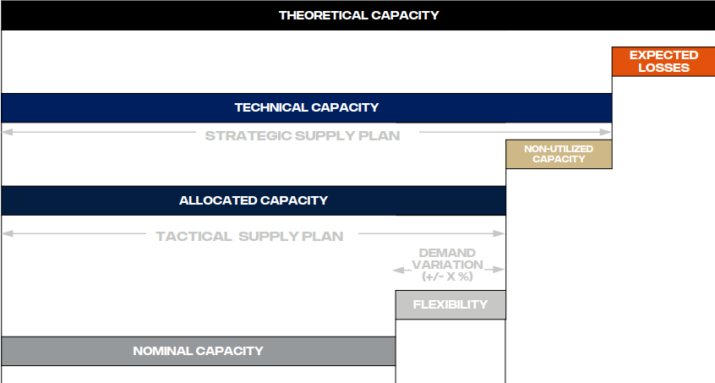
What is a part family?
- Parts that share the same production equipment
- Impacting each other capacity
- Define the part family relations with letter A-Z
Weekly capacity = parts with shared family and the total available capacity for the part family
Single part = no part family description needed (leave column blank)
Weekly capacity = available capacity for a single part

If part family, than it should be
total available capacity number for the full family

Example:
Total of 2,000 for the week for all three parts (not 2,000 times 3) because it is in every row and designated with family B

