FIELD INSTRUCTIONS
CSF - CONTAINER SPECIFICATION FORM

SCS-CD-001.5
Field Instructions
Return To: | pfep@navistar.com

Responsible Party | Instructions
OBSERVATION | WHITE | FIELDS IN "WHITE", SHOULD BE FILLED BY SUPPLIER
OBSERVATION | BLUE | FIELDS IN "BLUE", SUPPLIER SHOULD CHOOSE ONE OF THE OPTIONS ON THE DROP DOWN BOX.
OBSERVATION | GREY | FIELDS IN "GREY" ARE LOCKED.
OBSERVATION | BLACK | FIELDS IN "BLACK" ARE LOCKED.
OBSERVATION | GREEN | (4) APPLICATION FIELD IN "GREEN" DESIGNATES PRIMARY (RETURNABLE) CONTAINER.
OBSERVATION | YELLOW | (4) APPLICATION FIELD IN "YELLOW" ARE DESIGNATES ALTERNATE (DISPOSABLE) CONTAINER.
Supplier | 1. Insert PIECE PRICE COST
Supplier | 2. Insert proposed or final packaging cost per piece. (per piece price will include any additional unit load costs) piece price will include any additional unit load costs
Supplier | 3. Insert date of initial submittal
Supplier | 4. Select all Navistar plants affected by this configuration
Supplier | 5. Select the packaging application from one of the following: Primary or Alternate
Supplier | 6. Complete all data required in the part section.
Supplier/Navistar | 7. Complete all model applications (ALL, BIG BORE, I6, V6, V8, HX, LT, HV, MV, CV, 3000, 4000, 5000, 7000, 8000, 9000, CE, FE/RE, LCF, PROSTAR , LONESTAR, ETC)
Supplier | 8. Complete all data required in the supplier section.
Supplier | 9. Provide a pdf drawing, photo of the part. (if a photo use jpeg format)
 | 10. Complete all data required in the dunnage section.
Supplier | - Select the dunnage type from one of the following: Divider, Tray, Block, Other
Supplier | - Select whether the dunnage is returnable or not
Supplier | - Select the dunnage material from one of the following: Foam, Poly Prolythene, Correx, Metal, Other
Supplier | - Indicate the dunnage thickness and select unit of measure: in or mm
Supplier | - List who manufactured the dunnage and their phone number.
Supplier | - Select who owns the dunnage: Navistar or Supplier
* If rack or bulk box, leave this field blank.
 | 11. Complete all data required in the Level 1 Container Section. |  |  | 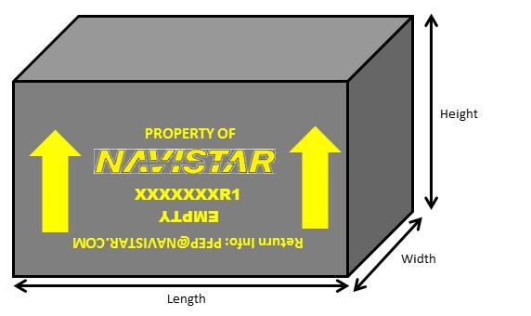
Supplier | - Indicate the Container Outer Dimensions and select unit of measure: in or mm
Navistar | - Indicate the Container Code
Supplier | - Select the container type from one of the following: Metal Bin, Navistar returnable, Corrugated Box, Correx, Engineered Returnable, Disposable Pallet, Drums/Barrels, Europallet, Large Metal Bin, Non Std. Stillage, CHEP Container, Std. stillage, Wire Basket, Wood Crate
Supplier | - Indicate the Pieces per Container
Supplier | - Indicate the number of container per layer, and pieces per container.
Supplier | - Indicate the weight of 1 container empty and select unit of measure: lbs or kg
Supplier | - Indicate the weight of 1 container full of parts and select unit of measure: lbs or kg
Supplier | - List who manufactured the container and their phone number.
Supplier | - Select who owns the dunnage: Navistar or Supplier
Supplier | - Select whether standard work have been created for the containerization process
Supplier | - Provide stacking condition for transportation and storage.
 | 12. Complete all data required in the Level 2 Load Section. |  | 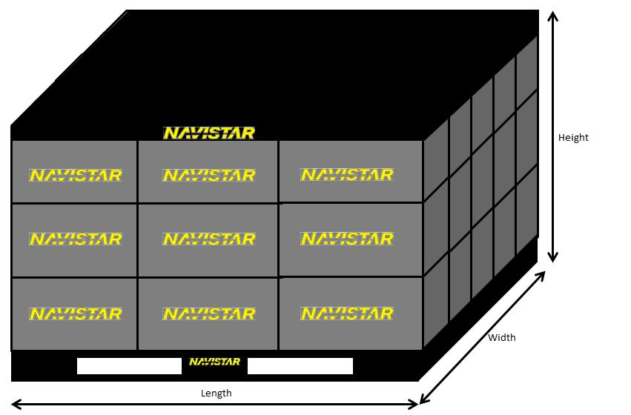
Supplier | - Indicate in the Load Outer dimensions (OD) and select unit of measure: in or mm
Navistar | - Indicate in the Unit Load code
Supplier | - Select the unit load type from one of the following: Metal Bin, Navistar returnable, Corrugated Box, Correx, Custom Returnable, Disposable Pallet, Drums/Barrels, Europallet, Large Metal Bin, Non Std. Stillage, CHEP Container, Std. stillage, Wire Basket, Wood Crate
Supplier | - Indicate the number of containers per pallet
Supplier | - Indicate the number of pieces per pallet.
Supplier | - Indicate the weight of the pallet and select unit of measure: lbs or kg
Supplier | - Indicate the weight of the unit load and select unit of measure: lbs or kg
Supplier | - Select what the unit load is secured with from one of the following: Stretch Wrap, Metal Banding, Plastic Banding, Other
Supplier | - Select whether the Unit Load is stackable
Supplier | - List the number of Unit Load stacks
Supplier | - Select whether standard work have been created for the palletizing process
Supplier | - Provide any special instructions not captured above: 2 way or 4 way pallet, etc.
Supplier | 13. Provide a sketch of the POA container.
Supplier | 14. Provide a sketch of the load. Unique containers should also indicate container dimensions and tare weight.
Calculates | 15. Packaging metrics will calculate automatically, upon the completion sections 5 & 9
Navistar / Supplier | 16. Approval signaures

General Information: 1) Please fill in the Part Number on the worksheet tab as described: 2) Save as Excel file, EXAMPLE: CSF_PartNumber_ContainerID 3) Return to the email: pfep@navistar.com

THIS FORM SHOULD BE SUBMITTED IN EXCEL FORMAT FOR APPROVAL TO EMAIL: pfep@navistar.com
VERSION 1.4
 |  |  |  |  | Rev: .04 Date:01Dec15

<EXAMPLE>PRIMARY
 |  |  | CONTAINER SPECIFICATION FORM |  |  |  |  | (1) PIECE PRICE: |  | $36.78
 |  |  | SCS-CD-001.5 |  |  |  |  | (2) COST PER PIECE (PKG): |  | $0.850 |  | YES
TRUCK / BUS / ENGINE / SERVICE PARTS |  |  | RETURN COMPLETED FORM TO NAVISTAR FOR APPROVAL |  |  |  |  | PERCENTAGE - (2)/(1): |  | 2.31% |  | NO
(3) DATE: | (4) NAVISTAR PLANT LOCATION |  |  |  |  |  |  |  | (5) APPLICATION: |  |  |  | LOCATIONS
 |  |  |  |  |  |  |  |  | PRODUCTION - PRIMARY - RETURNABLE |  |  | FALSE | ESCOBEDO | Kg | mm
(6) PART INFORMATION |  |  |  |  | (7) MODEL APPLICATIONS |  |  |  |  |  |  | FALSE | SPRINGFIELD | Lb | in
Part Number | 1234567C1 |  |  |  | Model Applications for this Part Number |  | N13, I-308, I-326 |  |  |  |  | FALSE | TULSA
Part Description | Diesel Injector |  |  |  |  |  |  |  |  |  |  | FALSE | CONWAY
Hazard Material | NO | Part Weight | 0.202 | Kg | (8) SUPPLIER INFORMATION |  |  |  |  |  |  | TRUE | HUNTSVILLE | DIVIDER
Part Dimensions | LENGTH | WIDTH | HEIGHT | UNIT | Supplier Name |  | Automotive Systems |  | Supplier Code | 12345X6 |  | TRUE | MELROSE PARK | TRAY
 | 50.000 | 65.000 | 380.000 | mm | Address to return |  | 2701 Navistar Dr, Lisle, IL, 60532, US |  |  |  |  | FALSE | SERVICE PARTS | BLOCK
(9) PART SKETCH / PHOTO |  |  |  |  | Contact Name |  | Supplier Contact |  | Contact Title | Logistics Manager |  |  |  | OTHER

 |  |  |  |  | Contact Phone |  | 3313320000 |  | Contact Fax | 3313320001 |  | Black
 |  |  |  |  | Contact E-mail |  | supplier.contact@supplier.com |  |  |  |  | Blue
Example Form
 |  |  |  |  | (10) DUNNAGE INFORMATION |  |  |  |  |  |  | Brown
INSERT PICTURE HERE |  |  |  |  | Dunnage Type |  |  | TRAY | If other, specify | N/A |  | Green
 |  |  |  |  | Is Dunnage Returnable? |  |  | NO | Dunnage Cost | $0.26 |  | Grey | mm | YES
JPEG FORMAT |  |  |  |  | 1st Dunnage Material |  | POLY PROPYLENE | 2nd Material | N/A | 3rd Material | N/A | Orange | in | NO
 |  |  |  |  | Material Thickness |  |  | 2.00 |  | UNIT | mm | Purple
 |  |  |  |  | Dunnage Manufacturer |  |  | Dunnage Automotive solutions |  |  |  | Red |  |  |  | RACK
 |  |  |  |  | Manufacturer's Phone |  |  | 3313320003 |  |  |  | White | SUPPLIER | FOAM |  | 120705
 |  |  |  |  | Who owns dunnage? |  |  | SUPPLIER |  |  |  | Yellow | NAVISTAR | POLY BAG |  | 121507
(11) LEVEL 1 CONTAINER INFORMATION |  |  |  |  | (12) LEVEL 2 UNIT LOAD INFORMATION |  |  |  |  |  |  |  |  | KRAFT / STARNET | RETURNABLE | 241507
Container Outside Dimensions | LENGTH | WIDTH | HEIGHT | UNIT | Unit Load (full pallet size) Outside Dimensions |  |  | LENGTH | WIDTH | HEIGHT | UNIT | mm | mm | CORREX | EXPENDABLE | 481507
 | 280.00 | 300.00 | 400.00 | mm |  |  |  | 1200.00 | 1000.00 | 1500.00 | mm | in | in | WOOD |  | 323025
Container Type | RETURNABLE |  |  |  | Container ID |  |  | 3449020R1 | Quantity purchased | 9,000 |  |  |  | OTHER |  | 484534
Container Model | 241507 | If not listed, specify: | N/A |  | Rack/Container Cost Per Unit |  |  | $10.00 | Unit Load Type | DISPOSABLE PALLET |  |  |  | N/A |  | 644834
[A] Pieces per Container |  | 24 |  |  | Returnable Primary Color |  |  | Blue | If not listed, specify: | N/A |  | YES | Kg | Kg | NAVISTAR | Expendable Single Wall
Layers per Container |  | 6 |  |  | Containers per pallet |  |  | 36 | Pieces per Pallet | 864 |  | NO | Lb | Lb | SUPPLIER | Expendable Double Wall
Pieces per Layer |  | 144 |  |  | Weight of pallet |  |  |  | 10.00 | UNIT | Kg |  |  |  |  | Expendable Triple Wall
Container weight empty |  | 2.09 | UNIT | Kg | TOTAL Gross Weight (parts + container) |  |  |  | 249.77 | UNIT | Kg |  |  |  |  | OTHER
Container weight including parts |  | 4.85 | UNIT | Kg | Unit Load Secured With: |  | STRETCH WRAP |  | If OTHER, Specify: | Plastic Banding
Container manufacturer & phone: |  | 3313320004 |  |  | Is Unit Load stackable? |  | YES |  | Lid for unit load? | NO |  | 1 | 1 | BLUE METAL BIN (LEC) | Kg | Kg
Who owns containers? |  | NAVISTAR |  |  | Total Quantity of unit loads per trailer (53') inbound: |  |  |  | 52 | Empty | 52 | 2 | 2 | CAT RETURNABLE | Lb | Lb
Has standard work been created for the containerization process? |  |  |  | YES | Has standard work been created for the palletizing process? |  |  |  |  |  | YES | 3 | 3 | CORRUGATED BOX
Special Instructions: | Handle it with care, fragile piece. No anti-rust oil required. |  |  |  | Stacking Condition: | Trans Height: | 3 | Trans Max Weight: | 480.00 | UNIT | Kg | 4 | 4 | CORREX (LEC)
 |  |  |  |  |  | Storage Height: | 4 | Storage Max Weight: | 640.00 | UNIT | Kg | 5 | 5 | CUSTOM RETURNABLE | STRETCH WRAP
(13) CONTAINER PACK SKETCH / PHOTO (with dunnage) |  |  |  |  |  | (14) UNIT LOAD SKETCH / PHOTO |  |  |  |  |  | 6 | 6 | DISPOSABLE PALLET | PLASTIC BANDING
 |  |  |  |  |  |  |  |  |  |  |  | 7 | 7 | CHEP PALLET | OTHER
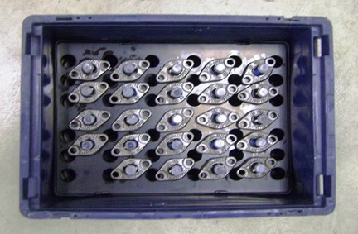
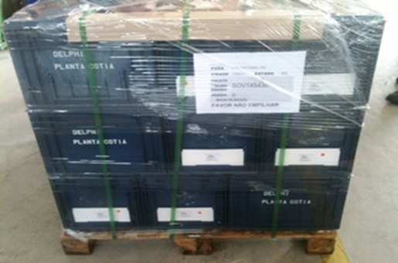
 |  |  |  |  |  |  |  |  |  |  |  | 8 | 8 | DRUMS / BARRELS
 |  |  |  |  |  |  |  |  |  |  |  | 9 | 9 | EUROPALLET | YES | YES | YES
INSERT PICTURE HERE |  |  |  |  |  | INSERT PICTURE HERE |  |  |  |  |  | 10 | 10 | LARGE METAL BIN (LEC) | NO | NO | NO
Parts inside
the container
Full unit load
view
 |  |  |  |  |  |  |  |  |  |  |  | 10+ | 10+ | NON STD. STILLAGE (LEC) |  | CHEP LID
 |  |  |  |  |  |  |  |  |  |  |  |  |  | PLASTIC BOX
 |  |  |  |  |  |  |  |  |  |  |  |  |  | PLASTIC KNOCKDOWN
 |  |  |  |  |  |  |  |  |  |  |  |  |  | STD. STILLAGE (LEC)
 |  |  |  |  |  |  |  |  |  |  |  |  |  | WIRE MESH BASKET
 |  |  |  |  |  |  |  |  |  |  |  |  |  | WOOD CRATE
JPEG FORMAT |  |  |  |  |  | JPEG FORMAT

(15) PACKAGING METRICS
Part Volume (in3, mm3) | 1235000 | Container Volume | 33600000 |  | Part Density [A/C] |  | 7.1428571E-07 |  | Volume Used | 88.21%
[B] |  | (in3, mm3) [C] |  |  |  |  |  |  | [B*A/C] x100
(16) APPROVAL SIGNATURES REQUIRED
 | AREA | NAME |  | EMAIL |  |  |  | TITLE |  | DATE | STATUS | NAVISTAR |  |  |  | SUPPLIER
NAVISTAR | Supply Chain |  |  |  |  |  |  |  |  |  |  | Supply Chain | Manufacturing | Quality | Safety | Representative
 | Manufacturing |  |  |  |  |  |  |  |  |  |  | Approved | Approved | Approved | Approved | Approved
 | Quality |  |  |  |  |  |  |  |  |  |  | Rejected | Rejected | Rejected | Rejected | Rejected
 | Safety |  |  |  |  |  |  |  |  |  |  |  | N/A | N/A | N/A
SUPPLIER | Representative | John Smith |  | John.Smith@supplier.com |  |  |  | Account Manager |  | 2014-05-01 | Approved
COMMENTS
REJECT REASON
THIS FORM SHOULD BE SUBMITTED IN EXCEL FORMAT FOR APPROVAL TO EMAIL: pfep@navistar.com
VERSION 1.4
 |  |  |  |  |  |  |  |  |  |  | Rev: .04 Date:01Dec15

